Sheet1
REF | IMAGE | PACKAGING | DESCRIPTION | BARCODE | ONLINE PRICE | QTY
1000002814 | 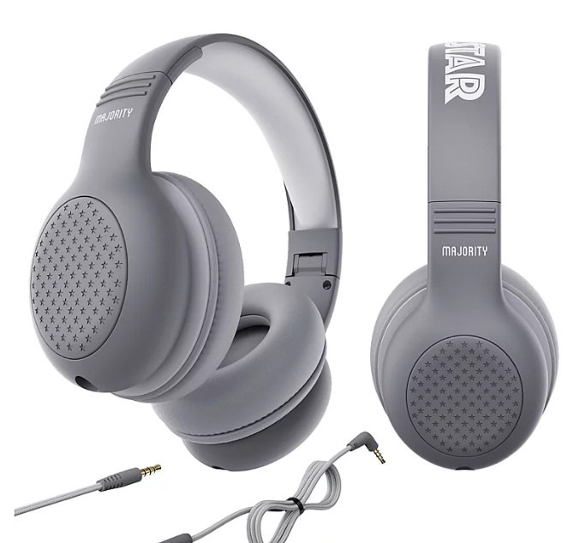 |  | Majority Superstar Kids Wired Headphones - Grey | 5056444107411 | £15 @ Asda | 490
1000002812 | 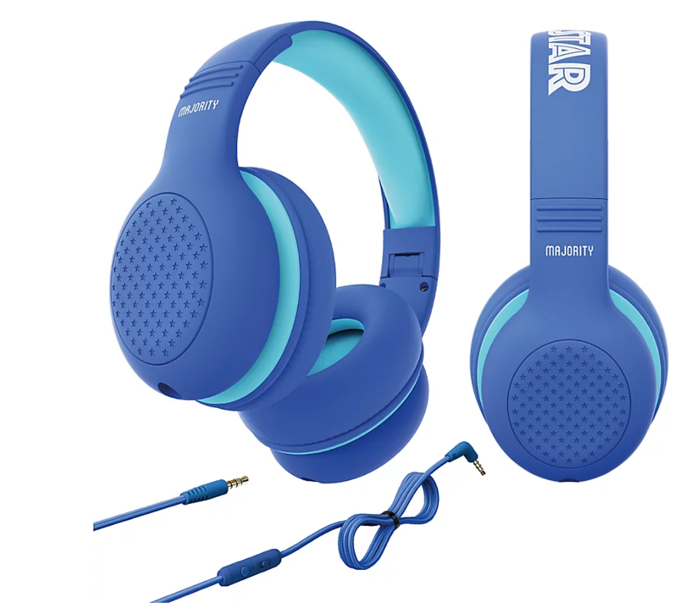 | 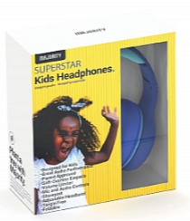 | Majority Superstar Kids Headphones - Blue | 5056444107374 | £15 @ Asda | 306
1000002813 | 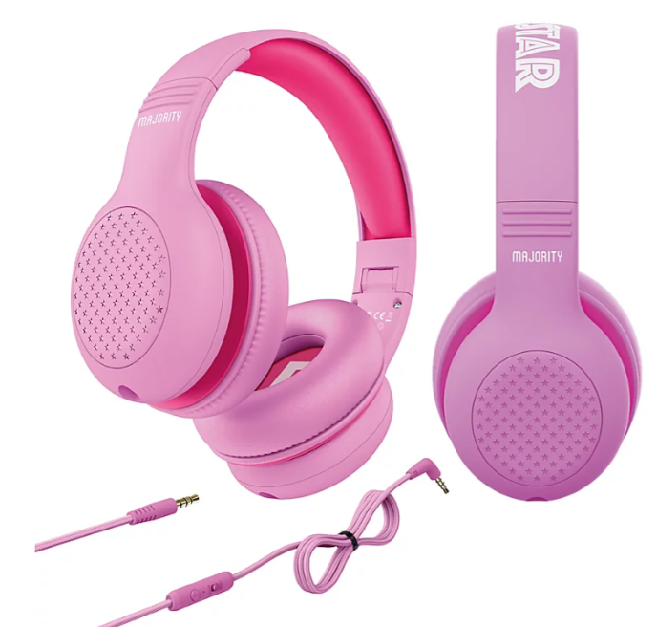 |  | Majority Superstar Kids Headphones - Pink | 5056444107398 | £15 @ Asda | 250
 |  |  |  |  |  | 1,046

